Level3
player goal |  |  | window |  | window |  |  | door |  | window |  | window |  |  | window
1. player should take passcode in cabinet | cabinet
2. player should find map in stand | 1 |  |  |  |  |  |  | exit | 5
3. player should find in rollerblades cabinet |  |  |  |  |  |  |  |  |  |  | counter |  |  | counter
4. player should find disguise in rack | cabinet
5. after cloth take, go to exit point(1F - map1) |  |  |  | stand |  | stand
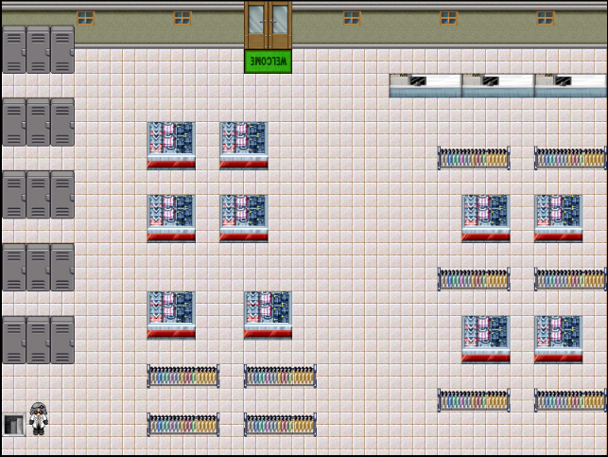
 |  |  |  |  |  |  |  |  |  |  |  | rack |  |  |  | rack
 | cabinet
 |  |  |  | stand |  | stand |  |  |  |  |  |  | stand |  |  | stand
 |  |  |  |  |  |  |  |  |  |  |  |  |  |  |  | 2
 | cabinet
 |  | 3 |  |  |  |  |  |  |  |  |  | rack |  |  |  | rack
 |  |  |  | stand |  |  | stand
 | cabinet |  |  |  |  |  |  |  |  |  |  |  | stand |  |  | stand

 |  |  |  | rack |  |  | rack
 |  |  |  |  |  |  |  |  |  |  |  | rack | 4 |  |  | rack
 | enter |  |  | rack |  |  | rack

